Evidence DRC for Pak Mamet
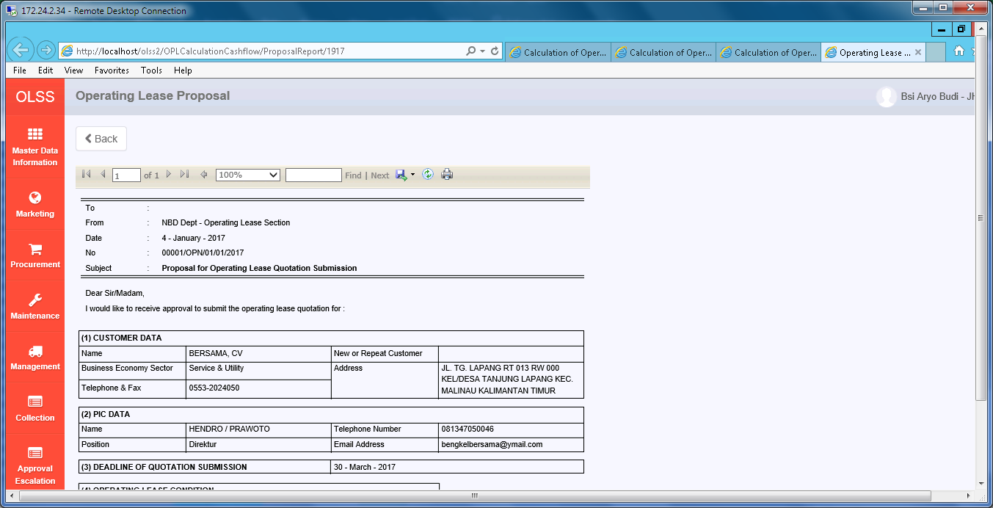
Evidence DRC for Pak Mamet

1 | LIST VIEW

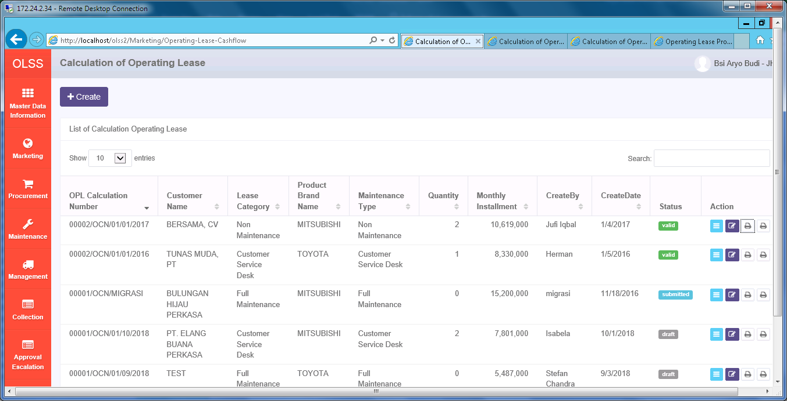

2 | VIEW DETAIL

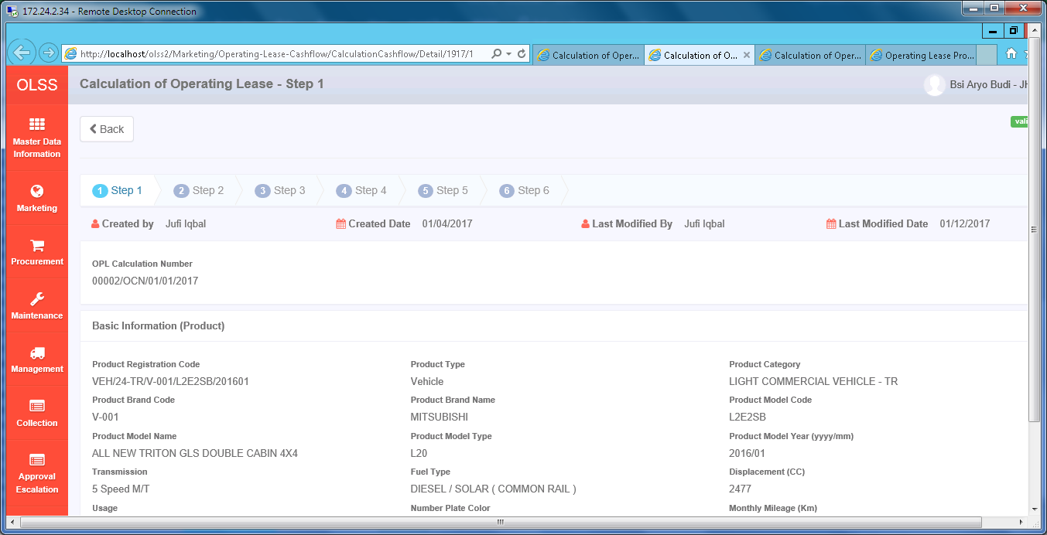

3 | EDIT

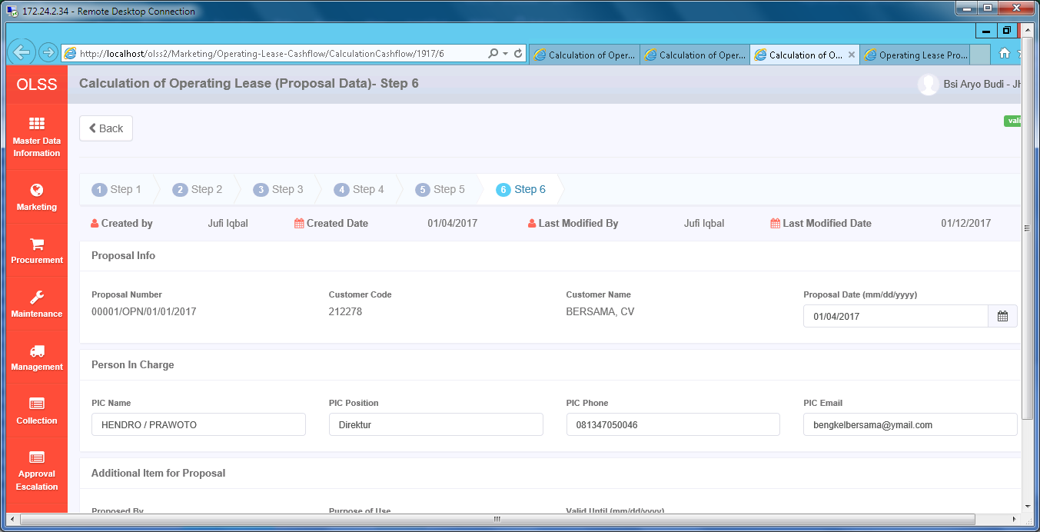

4 | PRINT REPORT

Web.config - 01
Web.config - 01

Code ini supaya format tanggal di browser Client tidak pengaruh ke format tanggal Server, terutama saat Submit data ke Server.

Scheduler (Phase 3 & 4)
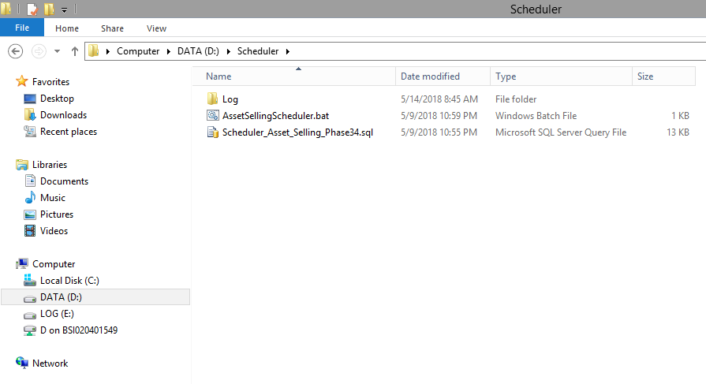
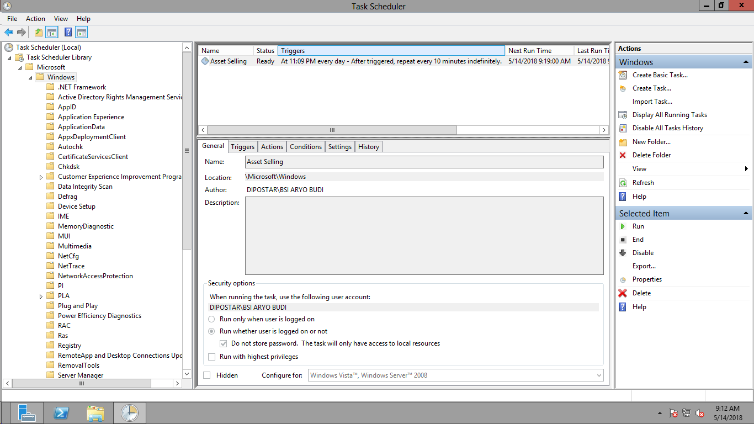
Scheduler (Phase 3 & 4)

Task Scheduler
Task Scheduler

User local di Server Database OLSS Production (192.168.140.26) untuk menjalankan Task Scheduler:
Username = OLSS_MF_APPL
Password = Dsfjho.1

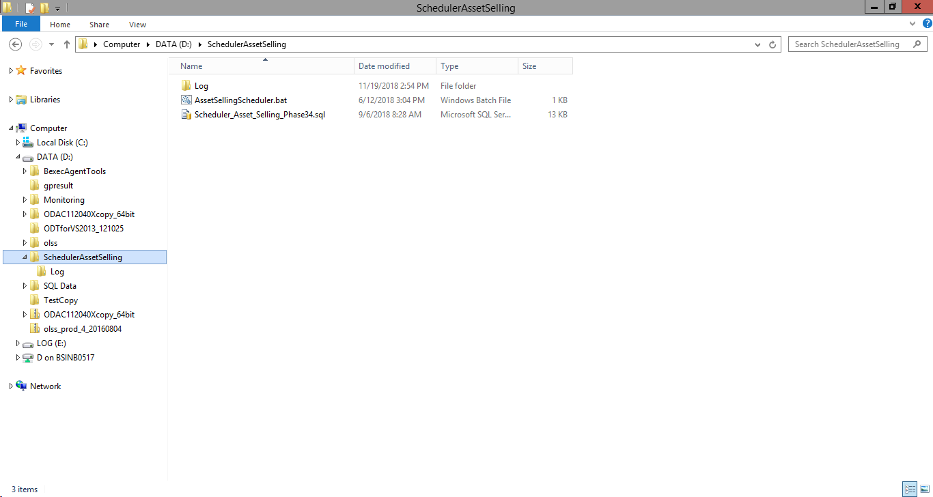
0

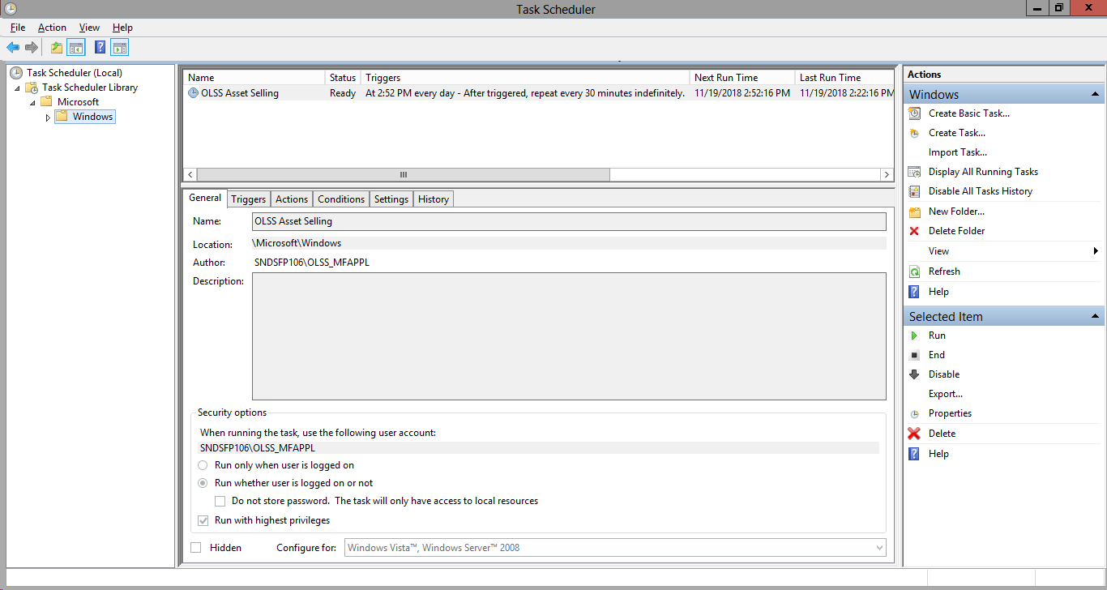
1

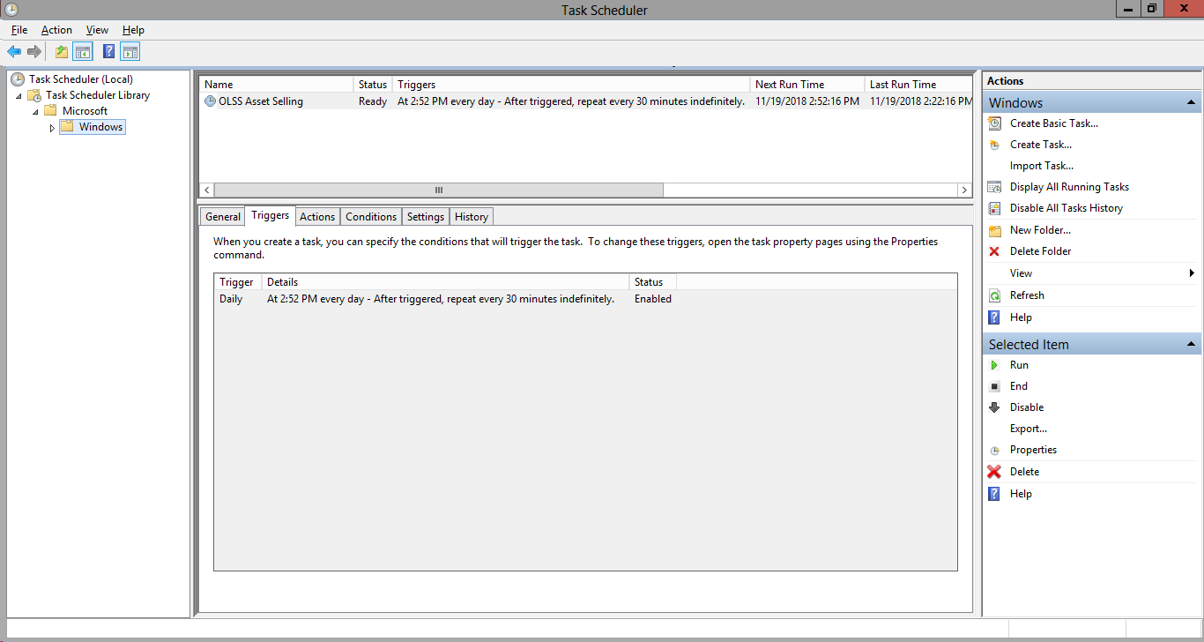
2

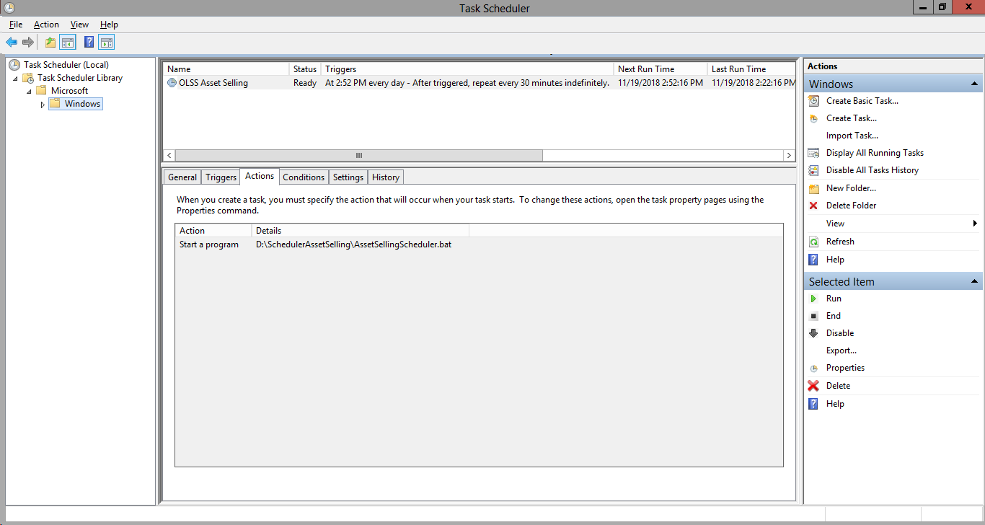
3

Task Scheduler DRC
Task Scheduler DRC

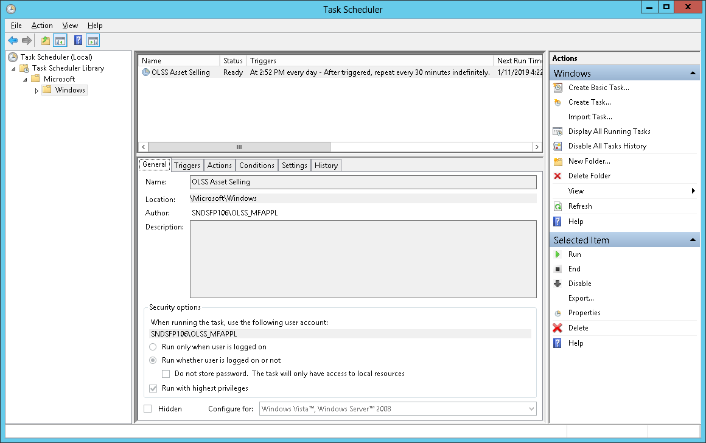
1

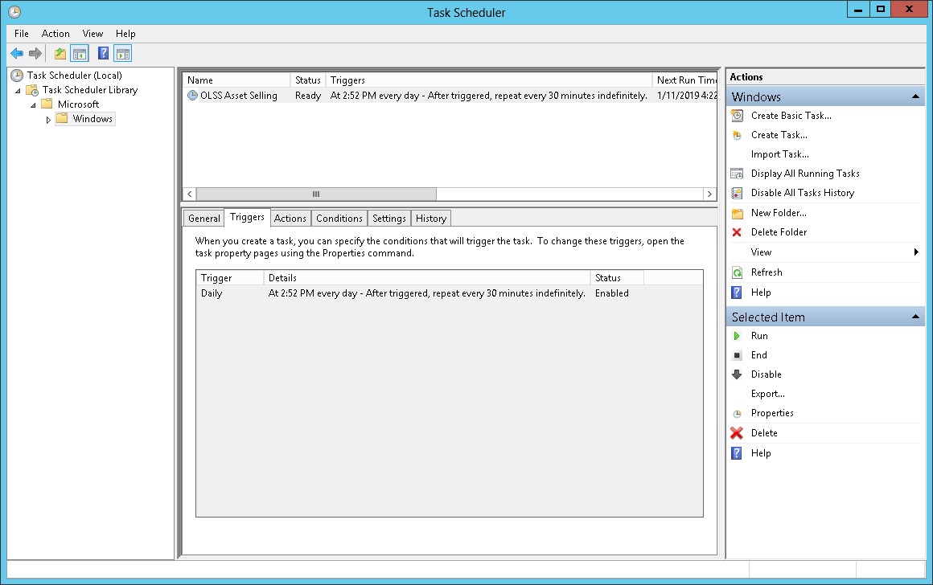
2


3

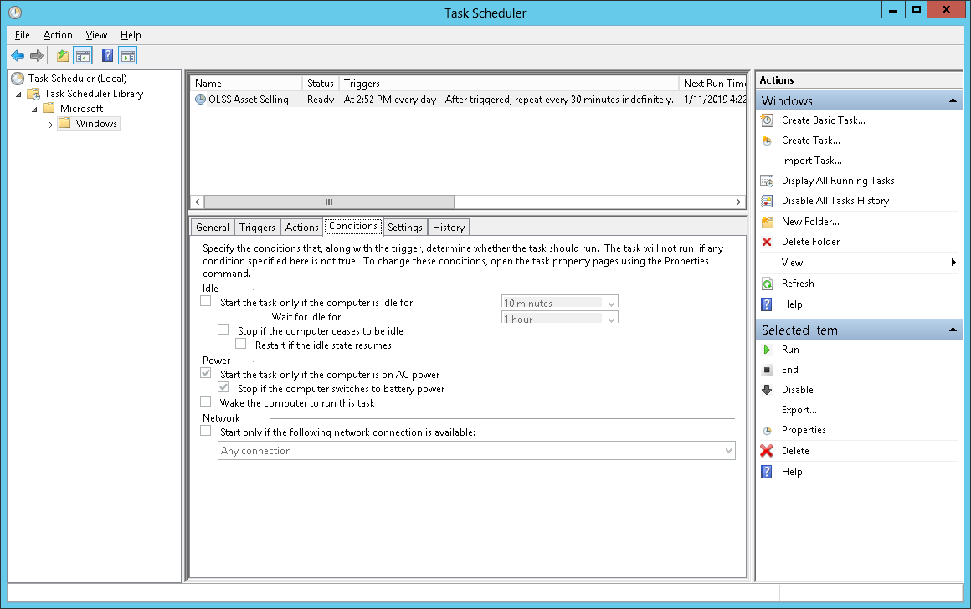
4

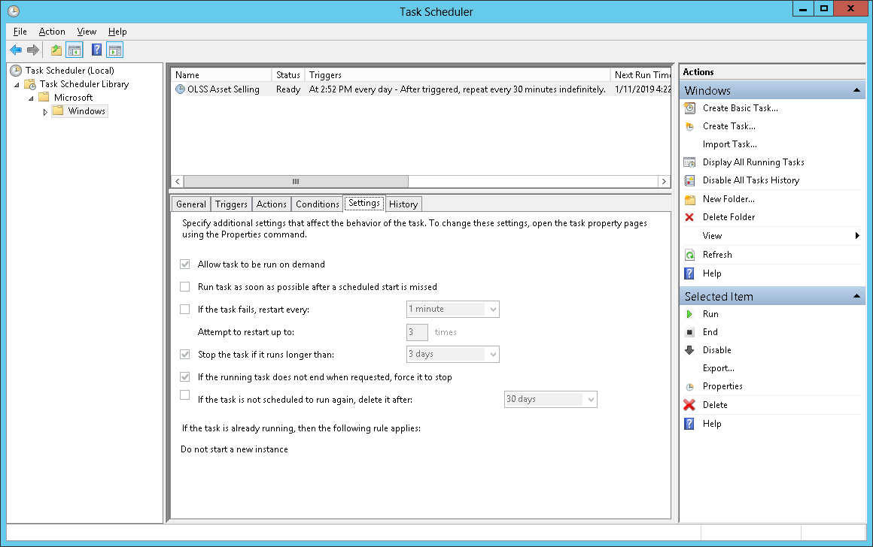
5

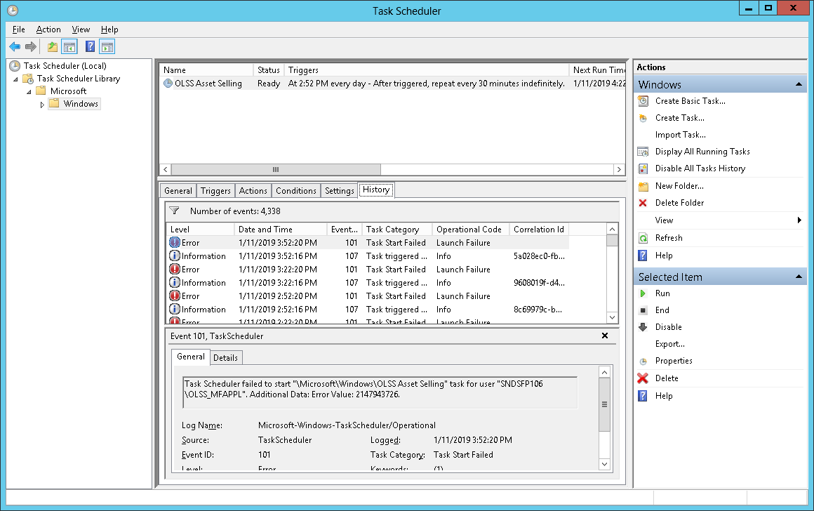
6

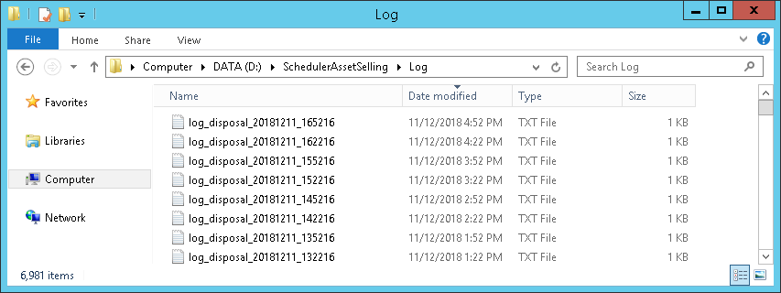
7

Color Environment
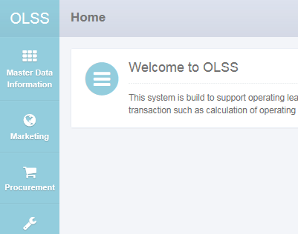
Color Environment

D:\OLSS DEVELOPMENT\OLSS\Dsf.Olss\Views\Shared\_Layout.cshtml | D:\OLSS DEVELOPMENT\OLSS\Dsf.Olss\Web.config | olss_dev

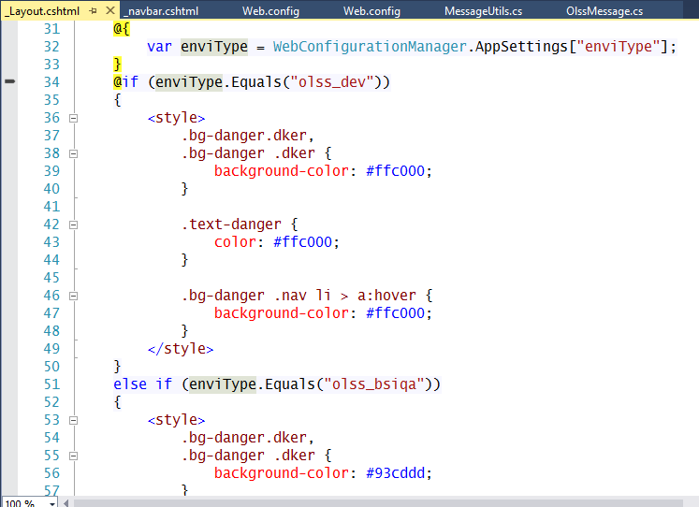
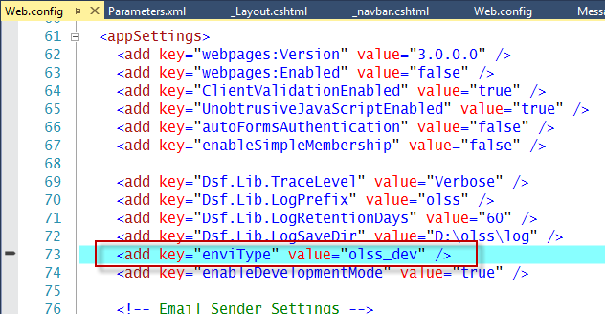
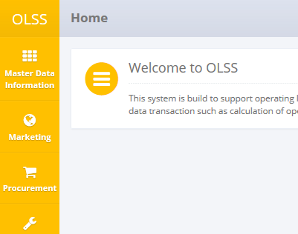

 |  | olss_bsiqa

Deployment Environment
Deployment Environment

1 - <add name="ADConnectionString" connectionString="LDAP://dipostar" />
2 - <add name="ADConnectionString" connectionString="LDAP://corp.dipostar.com" />
3 - <add name="ADConnectionString" connectionString="LDAP://172.24.1.35" />

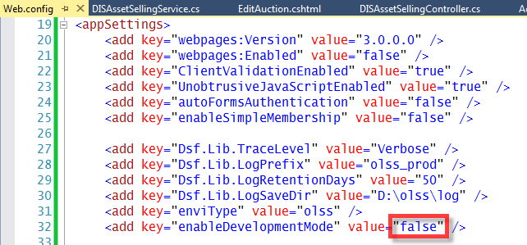

1 - DEVELOPMENT = <add key="enviType" value="olss_dev" />
2 - INTERNAL TEST = <add key="enviType" value="olss_bsiqa" />
3 - UAT/QA = <add key="enviType" value="olss_qa" />
4 - PRODUCTION = <add key="enviType" value="olss" />

.NET Framework 4
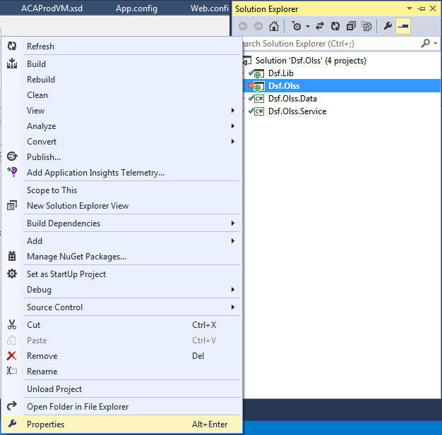
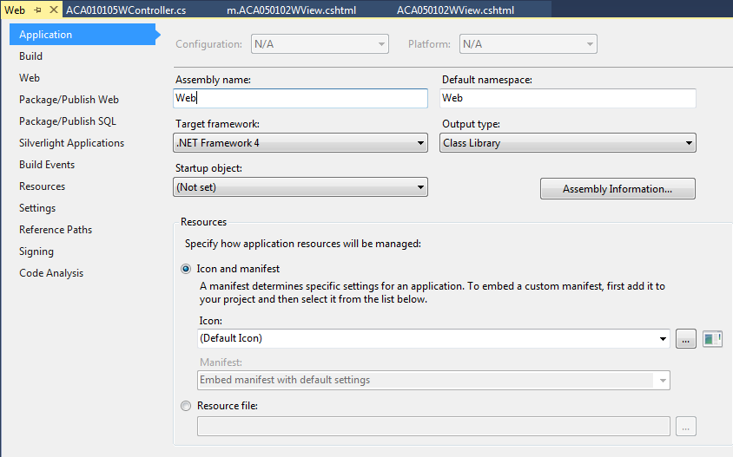
.NET Framework 4

RDLC Excluded
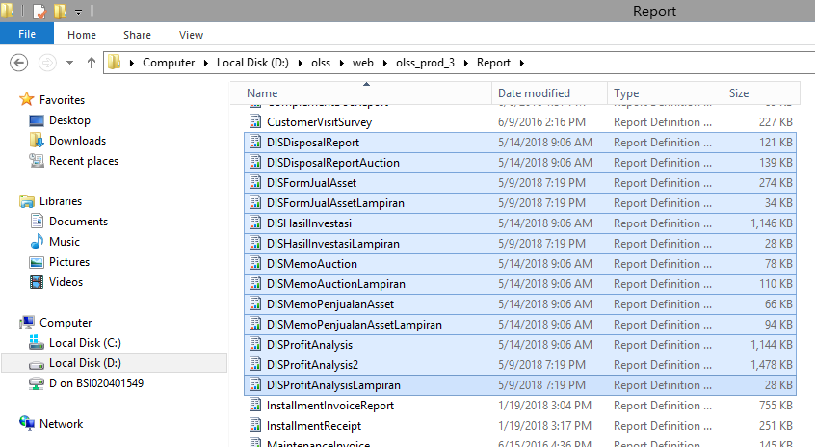
RDLC Excluded
File-file RDLC yang tidak otomatis include ke dalam Deployment Phase 3 & 4

Contoh LINQ - 01
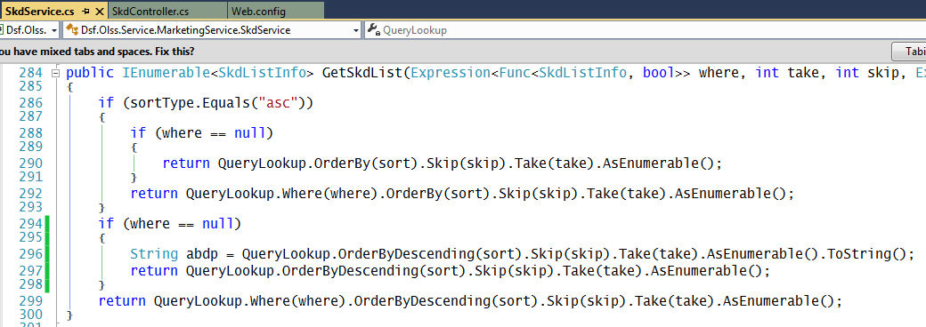
Contoh Cara Memunculkan Query SQL Native dari LINQ

Contoh LINQ - 01b
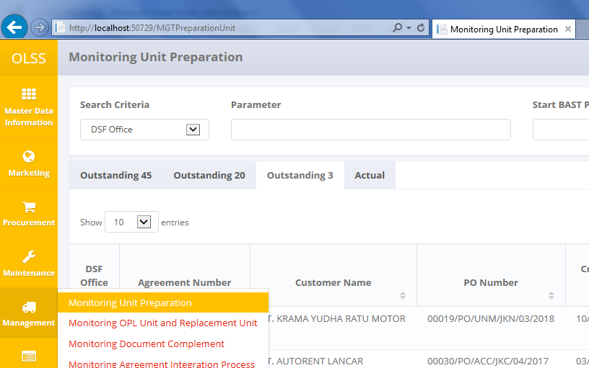
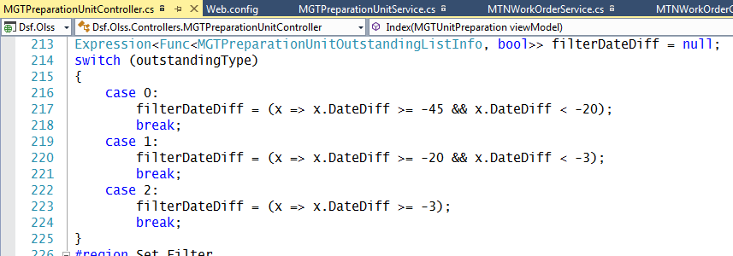
Contoh LINQ

rResult = OutstandingListQuery.Where(filterDateDiff);

SELECT
[Filter1].[IdTb_MGT_UnitPrep] AS [IdTb_MGT_UnitPrep],
[Filter1].[BranchShortName] AS [BranchShortName],
[Filter1].[AgreementNumber] AS [AgreementNumber],
[Filter1].[CustomerName] AS [CustomerName],
[Filter1].[PONumber] AS [PONumber],
[Filter1].[PODate] AS [PODate],
[Filter1].[POApprovalDate] AS [POApprovalDate],
[Filter1].[SupplierName] AS [SupplierName],

CASE
WHEN
([Filter1].[IdProduct1] IS NULL)
THEN
[Filter1].[PODtlName]
ELSE
[Filter1].[ModelName]
END
AS [C1],

[Filter1].[ItemValuesName] AS [ItemValuesName],
[Filter1].[Qty] AS [Qty],
N'' AS [C2],
[Apply1].[ItemValuesName] AS [ItemValuesName1],
[Apply1].[Remark] AS [Remark],
[Apply1].[ItemValuesName1] AS [ItemValuesName2],
CAST([Apply1].[CreatedDate] AS datetime2) AS [C3],
CAST([Filter1].[BASTPlanDate] AS datetime2) AS [C4],
[Filter1].[BASTActualDate] AS [BASTActualDate],

REPLACE
(
RIGHT(N' ' + STR(CAST(DATEPART(mm, [Filter1].[PODate]) AS FLOAT)), CAST(2 AS BIGINT)) + N'/' +
RIGHT(N' ' + STR(CAST(DATEPART(dd, [Filter1].[PODate]) AS FLOAT)), CAST(2 AS BIGINT)) + N'/' +
RIGHT(N' ' + STR(CAST(DATEPART(yyyy, [Filter1].[PODate]) AS FLOAT)), CAST(4 AS BIGINT)),
N' ',
N'0'
) AS [C5],

REPLACE
(
RIGHT(N' ' + STR(CAST(DATEPART(mm, [Filter1].[POApprovalDate]) AS FLOAT)), CAST(2 AS BIGINT)) + N'/' +
RIGHT(N' ' + STR(CAST(DATEPART(dd, [Filter1].[POApprovalDate]) AS FLOAT)), CAST(2 AS BIGINT)) + N'/' +
RIGHT(N' ' + STR(CAST(DATEPART(yyyy, [Filter1].[POApprovalDate]) AS FLOAT)), CAST(4 AS BIGINT)),
N' ',
N'0'
) AS [C6],

REPLACE
(
RIGHT(N' ' + STR(CAST(DATEPART(mm, [Apply1].[CreatedDate]) AS FLOAT)), CAST(2 AS BIGINT)) + N'/' +
RIGHT(N' ' + STR(CAST(DATEPART(dd, [Apply1].[CreatedDate]) AS FLOAT)), CAST(2 AS BIGINT)) + N'/' +
RIGHT(N' ' + STR(CAST(DATEPART(yyyy, [Apply1].[CreatedDate]) AS FLOAT)), CAST(4 AS BIGINT)),
N' ',
N'0'
) AS [C7],

REPLACE
(
RIGHT(N' ' + STR(CAST(DATEPART(mm, [Filter1].[BASTPlanDate]) AS FLOAT)), CAST(2 AS BIGINT)) + N'/' +
RIGHT(N' ' + STR(CAST(DATEPART(dd, [Filter1].[BASTPlanDate]) AS FLOAT)), CAST(2 AS BIGINT)) + N'/' +
RIGHT(N' ' + STR(CAST(DATEPART(yyyy, [Filter1].[BASTPlanDate]) AS FLOAT)), CAST(4 AS BIGINT)),
N' ',
N'0'
) AS [C8],

REPLACE
(
RIGHT(N' ' + STR(CAST(DATEPART(mm, [Filter1].[BASTActualDate]) AS FLOAT)), CAST(2 AS BIGINT)) + N'/' +
RIGHT(N' ' + STR(CAST(DATEPART(dd, [Filter1].[BASTActualDate]) AS FLOAT)), CAST(2 AS BIGINT)) + N'/' +
RIGHT(N' ' + STR(CAST(DATEPART(yyyy, [Filter1].[BASTActualDate]) AS FLOAT)), CAST(4 AS BIGINT)),
N' ',
N'0'
) AS [C9],

CASE
WHEN
(DATEDIFF(DAY, [Filter1].[BASTPlanDate], SysDateTime()) IS NULL)
THEN
0
ELSE
DATEDIFF(DAY, [Filter1].[BASTPlanDate], SysDateTime())
END
AS [C10],

[Filter1].[BASTRemaining] AS [BASTRemaining],

CASE
WHEN
([Project8].[C3] IS NOT NULL)
THEN
[Project8].[C3]
ELSE
0
END
AS [C11],

CASE
WHEN
(
CASE
WHEN
([Project8].[IdTb_MGT_UnitPrep] IS NULL)
THEN
CAST(NULL AS INT)
WHEN
([Project8].[C1] IS NULL)
THEN
0
ELSE
[Project8].[C2]
END
IS NOT NULL
)
THEN
CASE
WHEN
([Project8].[IdTb_MGT_UnitPrep] IS NULL)
THEN
CAST(NULL AS INT)
WHEN
([Project8].[C1] IS NULL)
THEN
0
ELSE
[Project8].[C2]
END
ELSE
0
END
AS [C12],

CASE
WHEN
([Group By2].[A1] IS NOT NULL)
THEN
[Group By2].[A1]
ELSE
0
END
AS [C13],

CASE
WHEN
([Apply1].[ProgressStatus] IS NOT NULL)
THEN
[Apply1].[ProgressStatus]
ELSE
-1
END
AS [C14],

CASE
WHEN
([Apply1].[UnitReadiness] IS NOT NULL)
THEN
[Apply1].[UnitReadiness]
ELSE
N'-1'
END
AS [C15],

CASE
WHEN
(
([Filter1].[IdProduct1] IS NOT NULL)
OR
(
(
(
CASE
WHEN
([Project20].[PONumber] IS NULL)
THEN
CAST(NULL AS BIT)
WHEN
([Project20].[C5] > 0)
THEN
CAST(1 AS BIT)
WHEN
(NOT ([Project20].[C6] > 0))
THEN
CAST(0 AS BIT)
END
) <> CAST(1 AS BIT)
)
AND
(
(
CASE
WHEN
([Project20].[PONumber] IS NULL)
THEN
CAST(NULL AS INT)
WHEN
([Project20].[C7] > 0)
THEN
CASE
WHEN
([Project20].[C1] IS NULL)
THEN
0
ELSE
[Project20].[C2]
END
WHEN
([Project20].[C3] IS NULL)
THEN
0
ELSE
[Project20].[C4]
END
) = [Filter1].[IdTb_MGT_UnitPrep]
)
AND
(
CASE
WHEN
([Project20].[PONumber] IS NULL)
THEN
CAST(NULL AS INT)
WHEN
([Project20].[C7] > 0)
THEN
CASE
WHEN
([Project20].[C1] IS NULL)
THEN
0
ELSE
[Project20].[C2]
END
WHEN
([Project20].[C3] IS NULL)
THEN
0
ELSE
[Project20].[C4]
END
IS NOT NULL
)
)
)
THEN
CAST(1 AS BIT)
WHEN
(
NOT
(
([Filter1].[IdProduct1] IS NOT NULL)
OR
(
(
(
CASE
WHEN
([Project20].[PONumber] IS NULL)
THEN
CAST(NULL AS BIT)
WHEN
([Project20].[C5] > 0)
THEN
CAST(1 AS BIT)
WHEN
(NOT ([Project20].[C6] > 0))
THEN
CAST(0 AS BIT)
END
) <> CAST(1 AS BIT)
)
AND
(
(
CASE
WHEN
([Project20].[PONumber] IS NULL)
THEN
CAST(NULL AS INT)
WHEN
([Project20].[C7] > 0)
THEN
CASE
WHEN
([Project20].[C1] IS NULL)
THEN
0
ELSE
[Project20].[C2]
END
WHEN
([Project20].[C3] IS NULL)
THEN
0
ELSE
[Project20].[C4]
END
) = [Filter1].[IdTb_MGT_UnitPrep]
)
AND
(
CASE
WHEN
([Project20].[PONumber] IS NULL)
THEN
CAST(NULL AS INT)
WHEN
([Project20].[C7] > 0)
THEN
CASE
WHEN
([Project20].[C1] IS NULL)
THEN
0
ELSE
[Project20].[C2]
END
WHEN
([Project20].[C3] IS NULL)
THEN
0
ELSE
[Project20].[C4]
END
IS NOT NULL
)
)
)
)
THEN
CAST(0 AS BIT)
END
AS [C16]

FROM
(
SELECT
[Extent1].[IdTb_MGT_UnitPrep] AS [IdTb_MGT_UnitPrep],
[Extent1].[IdProduct] AS [IdProduct1],
[Extent1].[PONumber] AS [PONumber],
[Extent1].[PODtlName] AS [PODtlName],
[Extent1].[Qty] AS [Qty],
[Extent1].[PODate] AS [PODate],
[Extent1].[POApprovalDate] AS [POApprovalDate],
[Extent1].[BASTPlanDate] AS [BASTPlanDate],
[Extent1].[BASTActualDate] AS [BASTActualDate],
[Extent1].[BASTRemaining] AS [BASTRemaining],
[Extent2].[BranchShortName] AS [BranchShortName],
[Extent3].[AgreementNumber] AS [AgreementNumber],
[Extent4].[CustomerName] AS [CustomerName],
[Extent5].[SupplierName] AS [SupplierName],
[Extent6].[ModelName] AS [ModelName],
[Extent7].[ItemValuesName] AS [ItemValuesName]

FROM
[Tb_MGT_UnitPrep] AS [Extent1]

INNER JOIN [Tb_OPL_Branch] AS [Extent2]
ON
[Extent1].[IdBranch] = [Extent2].[IdTb_OPL_Branch]

INNER JOIN [OPLAgreement] AS [Extent3]
ON
[Extent1].[IdOPLAgreement] = [Extent3].[IdOPLAgreement]

INNER JOIN [Customer] AS [Extent4]
ON
[Extent1].[IdCustomer] = [Extent4].[IdCustomer]

INNER JOIN [Supplier] AS [Extent5]
ON
[Extent1].[IdSupplier] = [Extent5].[IdSupplier]

LEFT OUTER JOIN [Product] AS [Extent6]
ON
([Extent6].[IsDeleted] <> CAST(1 AS BIT))
AND
([Extent1].[IdProduct] = [Extent6].[IdProduct])

INNER JOIN [OptionItemValues] AS [Extent7]
ON
[Extent1].[LeaseCategory] = [Extent7].[IdOptionItemValue]

WHERE
([Extent1].[IsDelete] <> CAST(1 AS BIT))
AND
(30 <> [Extent1].[BASTStatus])
AND
(
(
CASE
WHEN
(DATEDIFF(DAY, [Extent1].[BASTPlanDate], SysDateTime()) IS NULL)
THEN
0
ELSE
DATEDIFF(DAY, [Extent1].[BASTPlanDate], SysDateTime())
END
) >= -45
)
AND
(
(
CASE
WHEN
(DATEDIFF(DAY, [Extent1].[BASTPlanDate], SysDateTime()) IS NULL)
THEN
0
ELSE
DATEDIFF(DAY, [Extent1].[BASTPlanDate], SysDateTime())
END
) < -20
) >= -20
)
AND
(
(
CASE
WHEN
(DATEDIFF(DAY, [Extent1].[BASTPlanDate], SysDateTime()) IS NULL)
THEN
0
ELSE
DATEDIFF(DAY, [Extent1].[BASTPlanDate], SysDateTime())
END
) < -3
) >= -3
) >= -45
)
AND
(
(
CASE
WHEN
(DATEDIFF(DAY, [Extent1].[BASTPlanDate], SysDateTime()) IS NULL)
THEN
0
ELSE
DATEDIFF(DAY, [Extent1].[BASTPlanDate], SysDateTime())
END
) < -20
)
AND
([Extent3].[IsDelete] <> CAST(1 AS BIT))
AND
([Extent5].[IsDeleted] <> CAST(1 AS BIT))
AND
([Extent7].[IsDeleted] <> CAST(1 AS BIT))
)
AS [Filter1]

LEFT OUTER JOIN
(
SELECT
[Limit1].[IdTb_MGT_UnitPrep] AS [IdTb_MGT_UnitPrep1],
[Limit1].[ProgressStatus] AS [ProgressStatus],
[Limit1].[Remark] AS [Remark],
[Limit1].[UnitReadiness] AS [UnitReadiness],
[Limit1].[CreatedDate] AS [CreatedDate],
[Limit1].[ItemValuesName] AS [ItemValuesName],
[Limit1].[ItemValuesName1] AS [ItemValuesName1]

FROM
(
SELECT DISTINCT
[Extent8].[IdTb_MGT_UnitPrep] AS [IdTb_MGT_UnitPrep]

FROM
[Tb_MGT_UnitPrepDtl] AS [Extent8]

INNER JOIN [OptionItemValues] AS [Extent9]
ON
[Extent8].[ProgressStatus] = [Extent9].[IdOptionItemValue]

INNER JOIN [OptionItemValues] AS [Extent10]
ON
[Extent8].[UnitReadiness] = (LTRIM(RTRIM(STR(CAST([Extent10].[IdOptionItemValue] AS FLOAT)))))

WHERE
([Extent8].[IsDelete] <> CAST(1 AS BIT))
AND
([Extent9].[IsDeleted] <> CAST(1 AS BIT))
AND
([Extent10].[IsDeleted] <> CAST(1 AS BIT))
)
AS [Distinct1]

CROSS APPLY

(
SELECT TOP (1)
[Project2].[IdTb_MGT_UnitPrep] AS [IdTb_MGT_UnitPrep],
[Project2].[ProgressStatus] AS [ProgressStatus],
[Project2].[Remark] AS [Remark],
[Project2].[UnitReadiness] AS [UnitReadiness],
[Project2].[CreatedDate] AS [CreatedDate],
[Project2].[ItemValuesName] AS [ItemValuesName],
[Project2].[ItemValuesName1] AS [ItemValuesName1]

FROM
(
SELECT
[Filter3].[IdTb_MGT_UnitPrep] AS [IdTb_MGT_UnitPrep],
[Filter3].[ProgressStatus] AS [ProgressStatus],
[Filter3].[Remark] AS [Remark],
[Filter3].[UnitReadiness] AS [UnitReadiness],
[Filter3].[CreatedDate] AS [CreatedDate],
[Filter3].[ItemValuesName] AS [ItemValuesName],
[Extent13].[ItemValuesName] AS [ItemValuesName1]

FROM
(
SELECT
[Extent11].[IdTb_MGT_UnitPrep] AS [IdTb_MGT_UnitPrep],
[Extent11].[ProgressStatus] AS [ProgressStatus],
[Extent11].[Remark] AS [Remark],
[Extent11].[UnitReadiness] AS [UnitReadiness],
[Extent11].[CreatedDate] AS [CreatedDate],
[Extent12].[ItemValuesName] AS [ItemValuesName]

FROM
[Tb_MGT_UnitPrepDtl] AS [Extent11]

INNER JOIN [OptionItemValues] AS [Extent12]
ON
[Extent11].[ProgressStatus] = [Extent12].[IdOptionItemValue]

WHERE
([Extent11].[IsDelete] <> CAST(1 AS BIT))
AND
([Extent12].[IsDeleted] <> CAST(1 AS BIT))
)
AS [Filter3]

INNER JOIN [OptionItemValues] AS [Extent13]
ON
[Filter3].[UnitReadiness] = (LTRIM(RTRIM(STR(CAST([Extent13].[IdOptionItemValue] AS FLOAT)))))

WHERE
([Extent13].[IsDeleted] <> CAST(1 AS BIT))
AND
([Distinct1].[IdTb_MGT_UnitPrep] = [Filter3].[IdTb_MGT_UnitPrep])
)
AS [Project2]

ORDER BY
[Project2].[CreatedDate] DESC
) AS [Limit1]
)
AS [Apply1]
ON
[Filter1].[IdTb_MGT_UnitPrep] = [Apply1].[IdTb_MGT_UnitPrep1]

LEFT OUTER JOIN
(
SELECT
[Project7].[IdTb_MGT_UnitPrep] AS [IdTb_MGT_UnitPrep],
[Project7].[C1] AS [C1],
[Project7].[C2] AS [C2],

(
SELECT
COUNT(1) AS [A1]

FROM
[Tb_MGT_BASTSupCust] AS [Extent17]

WHERE
[Project7].[IdTb_MGT_UnitPrep] = [Extent17].[IdTb_MGT_UnitPrep]
)
AS [C3]

FROM
(
SELECT
[Project5].[IdTb_MGT_UnitPrep] AS [IdTb_MGT_UnitPrep],
[Project5].[C1] AS [C1],

(
SELECT
TOP (1) [Extent16].[BASTPartial] AS [BASTPartial]

FROM
[Tb_MGT_BASTSupCust] AS [Extent16]

WHERE
[Project5].[IdTb_MGT_UnitPrep] = [Extent16].[IdTb_MGT_UnitPrep]
)
AS [C2]

FROM
(
SELECT
[Distinct2].[IdTb_MGT_UnitPrep] AS [IdTb_MGT_UnitPrep],

(
SELECT
TOP (1) [Extent15].[BASTPartial] AS [BASTPartial]

FROM
[Tb_MGT_BASTSupCust] AS [Extent15]

WHERE
[Distinct2].[IdTb_MGT_UnitPrep] = [Extent15].[IdTb_MGT_UnitPrep]
)
AS [C1]

FROM
(
SELECT DISTINCT
[Extent14].[IdTb_MGT_UnitPrep] AS [IdTb_MGT_UnitPrep]

FROM
[Tb_MGT_BASTSupCust] AS [Extent14]
)
AS [Distinct2]
)
AS [Project5]
)
AS [Project7]
)
AS [Project8]
ON [Filter1].[IdTb_MGT_UnitPrep] = [Project8].[IdTb_MGT_UnitPrep]

LEFT OUTER JOIN
(
SELECT
[Extent18].[IdTb_MGT_UnitPrep] AS [K1],
COUNT(1) AS [A1]

FROM
[Tb_MGT_UnitPrepDtl] AS [Extent18]

INNER JOIN [OptionItemValues] AS [Extent19]
ON
[Extent18].[ProgressStatus] = [Extent19].[IdOptionItemValue]

INNER JOIN [OptionItemValues] AS [Extent20]
ON
[Extent18].[UnitReadiness] = (LTRIM(RTRIM(STR(CAST([Extent20].[IdOptionItemValue] AS FLOAT)))))

WHERE
([Extent18].[IsDelete] <> CAST(1 AS BIT))
AND
([Extent19].[IsDeleted] <> CAST(1 AS BIT))
AND
([Extent20].[IsDeleted] <> CAST(1 AS BIT))

GROUP BY
[Extent18].[IdTb_MGT_UnitPrep]
)
AS [Group By2]
ON [Filter1].[IdTb_MGT_UnitPrep] = [Group By2].[K1]

LEFT OUTER JOIN
(
SELECT
[Project19].[PONumber] AS [PONumber],
[Project19].[C1] AS [C1],
[Project19].[C2] AS [C2],
[Project19].[C3] AS [C3],
[Project19].[C4] AS [C4],
[Project19].[C5] AS [C5],
[Project19].[C6] AS [C6],

(
SELECT
COUNT(1) AS [A1]

FROM
[Tb_MGT_UnitPrep] AS [Extent30]

INNER JOIN [Tb_PRO_PODtl] AS [Extent31]
ON
[Extent30].[IdTb_PRO_PODtl] = [Extent31].[IdTb_PRO_PODtl]

WHERE
([Project19].[PONumber] = [Extent30].[PONumber])
AND
('Carroseries' = [Extent31].[Type])
)
AS [C7]

FROM
(
SELECT
[Project18].[PONumber] AS [PONumber],
[Project18].[C1] AS [C1],
[Project18].[C2] AS [C2],
[Project18].[C3] AS [C3],
[Project18].[C4] AS [C4],
[Project18].[C5] AS [C5],

(
SELECT
COUNT(1) AS [A1]

FROM
[Tb_MGT_UnitPrep] AS [Extent29]

WHERE
([Project18].[PONumber] = [Extent29].[PONumber])
AND
([Extent29].[IdProduct] IS NOT NULL)
)
AS [C6]

FROM
(
SELECT
[Project17].[PONumber] AS [PONumber],
[Project17].[C1] AS [C1],
[Project17].[C2] AS [C2],
[Project17].[C3] AS [C3],
[Project17].[C4] AS [C4],

(
SELECT
COUNT(1) AS [A1]

FROM
[Tb_MGT_UnitPrep] AS [Extent28]

WHERE
([Project17].[PONumber] = [Extent28].[PONumber])
AND
([Extent28].[IdProduct] IS NOT NULL)
)
AS [C5]

FROM
(
SELECT
[Project15].[PONumber] AS [PONumber],
[Project15].[C1] AS [C1],
[Project15].[C2] AS [C2],
[Project15].[C3] AS [C3],

(
SELECT
TOP (1) [Extent27].[IdTb_MGT_UnitPrep] AS [IdTb_MGT_UnitPrep]

FROM
[Tb_MGT_UnitPrep] AS [Extent27]

WHERE
([Project15].[PONumber] = [Extent27].[PONumber])
AND
([Extent27].[IdProduct] IS NULL)
)
AS [C4]

FROM
(
SELECT
[Project13].[PONumber] AS [PONumber],
[Project13].[C1] AS [C1],
[Project13].[C2] AS [C2],

(
SELECT
TOP (1) [Extent26].[IdTb_MGT_UnitPrep] AS [IdTb_MGT_UnitPrep]

FROM
[Tb_MGT_UnitPrep] AS [Extent26]

WHERE
([Project13].[PONumber] = [Extent26].[PONumber])
AND
([Extent26].[IdProduct] IS NULL)
)
AS [C3]

FROM
(
SELECT
[Project11].[PONumber] AS [PONumber],
[Project11].[C1] AS [C1],

(
SELECT TOP (1)
[Extent24].[IdTb_MGT_UnitPrep] AS [IdTb_MGT_UnitPrep]

FROM
[Tb_MGT_UnitPrep] AS [Extent24]

INNER JOIN [Tb_PRO_PODtl] AS [Extent25]
ON
[Extent24].[IdTb_PRO_PODtl] = [Extent25].[IdTb_PRO_PODtl]

WHERE
([Project11].[PONumber] = [Extent24].[PONumber])
AND
('Carroseries' = [Extent25].[Type])
)
AS [C2]

FROM
(
SELECT
[Distinct3].[PONumber] AS [PONumber],

(
SELECT TOP (1)
[Extent22].[IdTb_MGT_UnitPrep] AS [IdTb_MGT_UnitPrep]

FROM
[Tb_MGT_UnitPrep] AS [Extent22]

INNER JOIN [Tb_PRO_PODtl] AS [Extent23]
ON
[Extent22].[IdTb_PRO_PODtl] = [Extent23].[IdTb_PRO_PODtl]

WHERE
([Distinct3].[PONumber] = [Extent22].[PONumber])
AND
('Carroseries' = [Extent23].[Type])
)
AS [C1]

FROM
(
SELECT DISTINCT
[Extent21].[PONumber] AS [PONumber]

FROM
[Tb_MGT_UnitPrep] AS [Extent21]
)
AS [Distinct3]
)
AS [Project11]
)
AS [Project13]
)
AS [Project15]
)
AS [Project17]
)
AS [Project18]
)
AS [Project19]
)
AS [Project20]
ON [Filter1].[PONumber] = [Project20].[PONumber]

Aksesori-Karoseri IdProduct
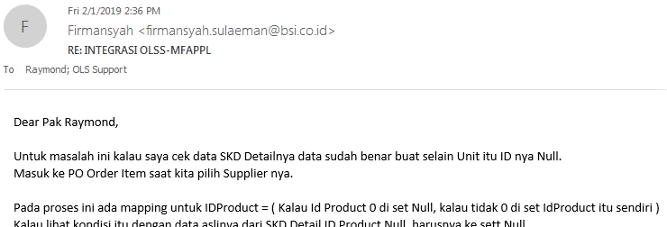
Aksesori-Karoseri IdProduct

OLSS on Laptop
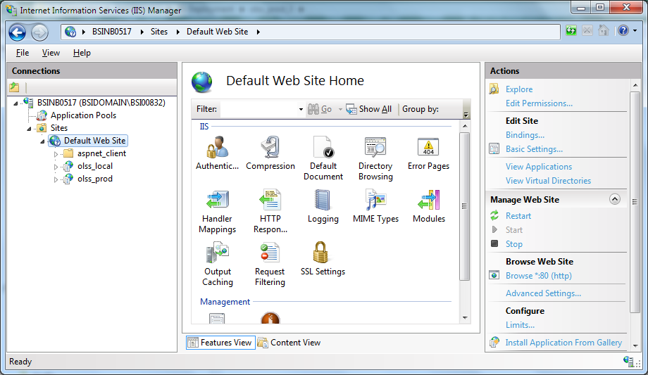
OLSS on Laptop - 1

1 | http://localhost/olss_local

 | C:\Publish

2 | http://localhost/olss_prod

 | C:\IIS Deployment\olss_prod_3

Sheet1 (2)
